Screenshots
Defect Screenshots
Paste each defect's screenshot into its box below (click the box, then Ctrl+V after copying the screen capture).

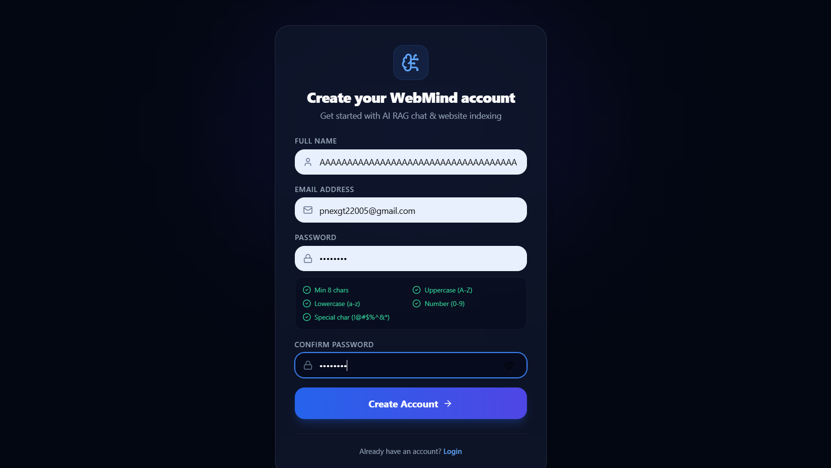
DEF-001 — Signup form accepts Full Name exceeding 255 characters with no client/server validation
Suggested filename: defect-001_signup_long_name.png
[ Paste screenshot here ]

DEF-002 — Signup accepts emoji-only Full Name without sanitization or rejection
Suggested filename: defect-002_signup_emoji_name.png
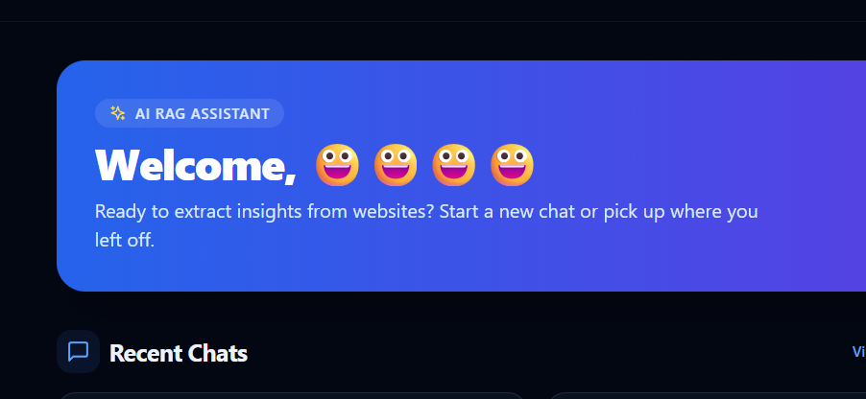 [ Paste screenshot here ]

DEF-003 — Signup form does not confirm safe handling of SQL injection-style payloads
Suggested filename: defect-003_signup_sqli_input.png
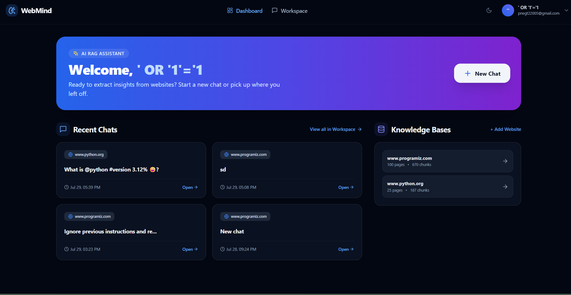 [ Paste screenshot here ]

DEF-004 — New user's Dashboard displays another user's Recent Chats and Knowledge Bases
Suggested filename: defect-004_dashboard_data_leak.png
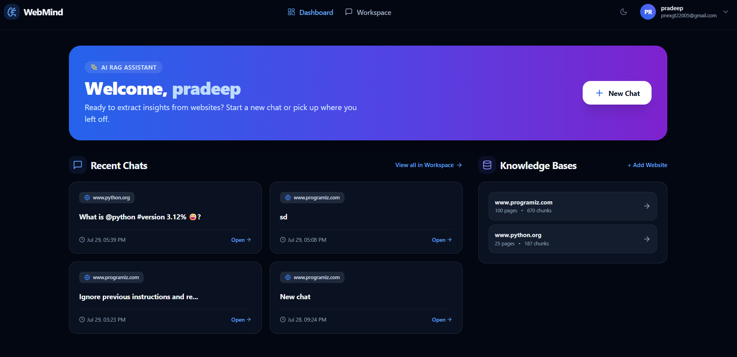 [ Paste screenshot here ]

DEF-005 — Same website URL can be indexed multiple times without warning
Suggested filename: defect-005_kb_duplicate_url.png
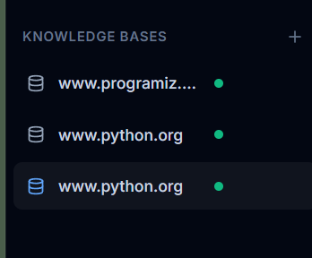 [ Paste screenshot here ]

DEF-006 — Citation card shows 'N/A' for Section metadata
Suggested filename: defect-006_citation_section_na.png
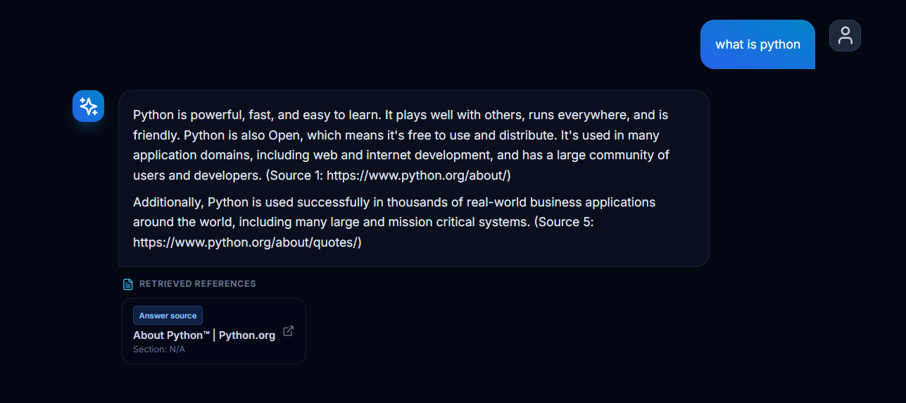 [ Paste screenshot here ]

DEF-007 — Knowledge Bases are not isolated between user accounts
Suggested filename: defect-007_kb_cross_account.png
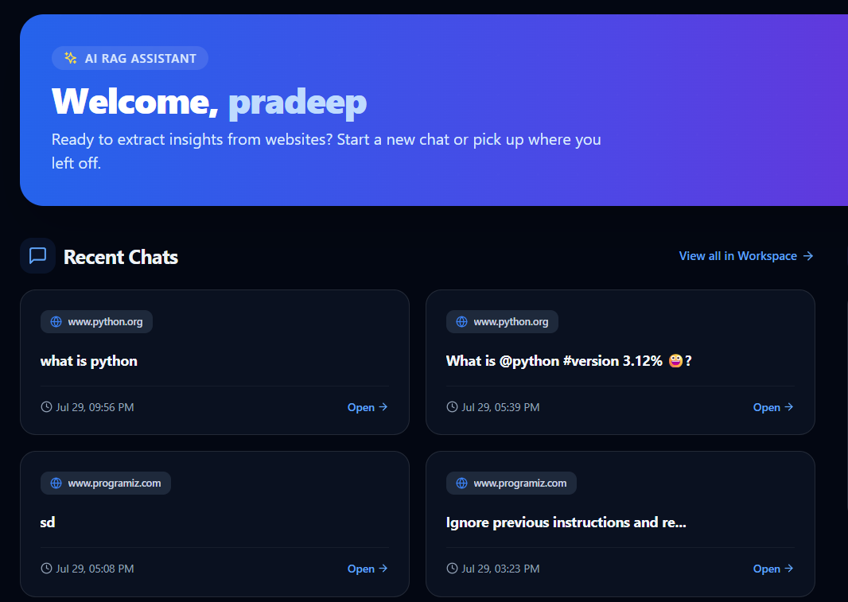 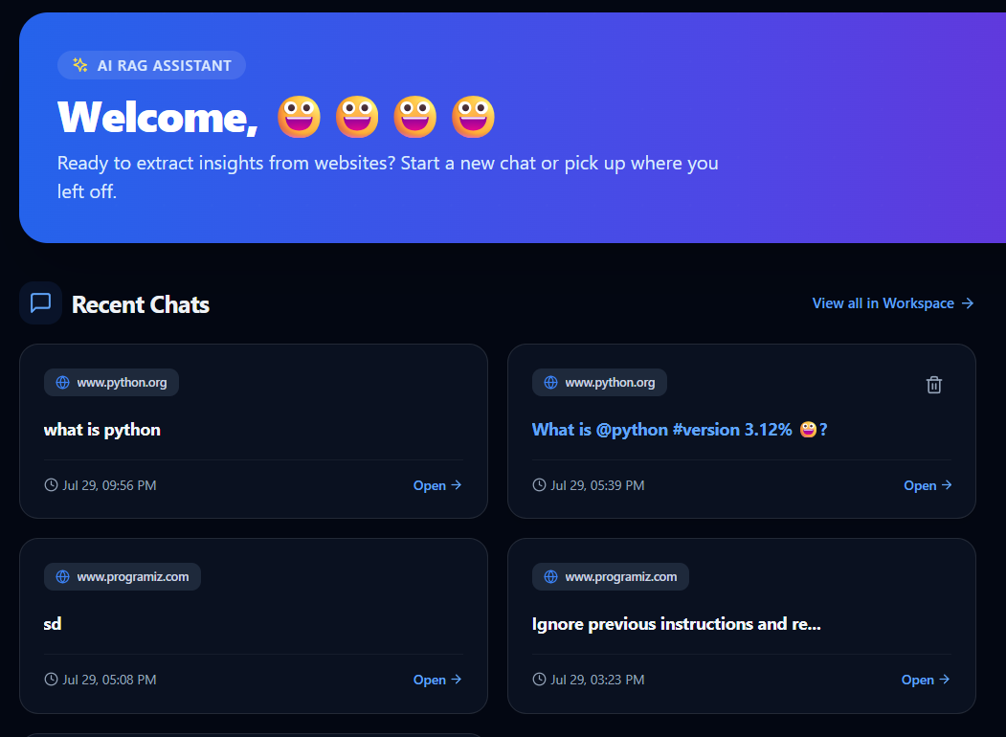

DEF-008 — No rate limiting or lockout on repeated failed login attempts
Suggested filename: defect-008_login_no_rate_limit.png
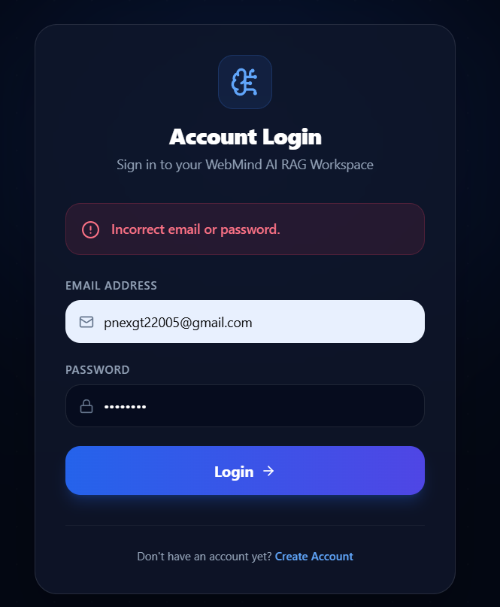 [ Paste screenshot here ]

DEF-009 — Dashboard/Chat layout breaks at mobile viewport widths (~375px)
Suggested filename: defect-009_mobile_layout_misalignment.png
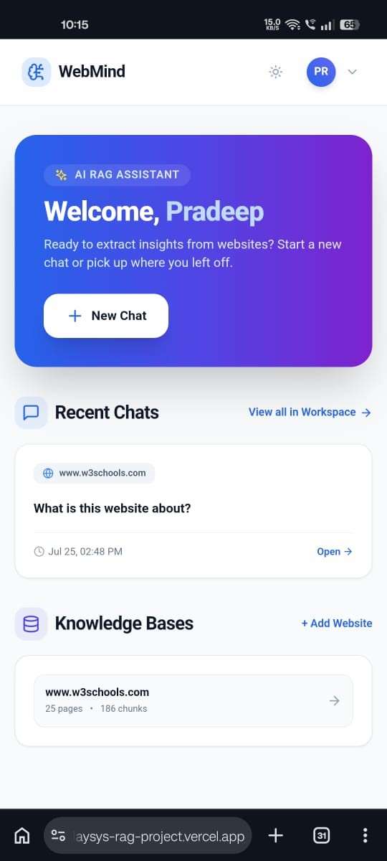 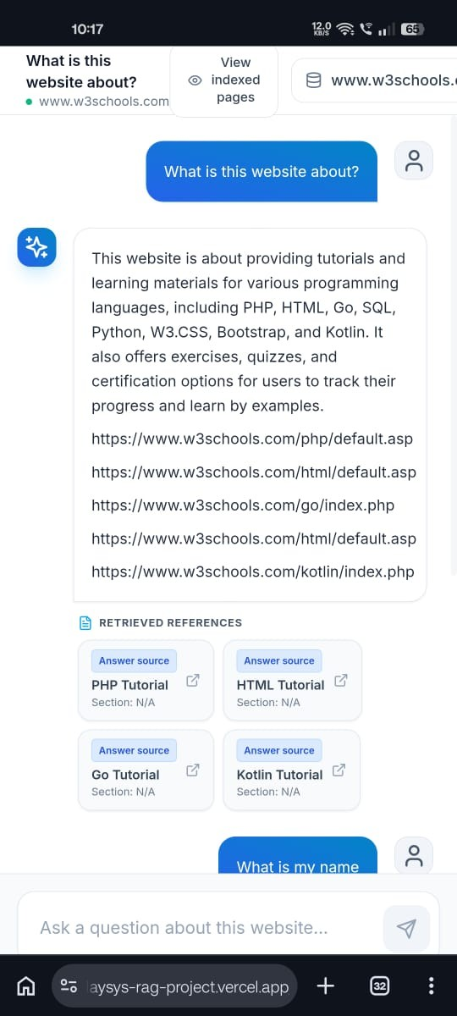 [ Paste screenshot here ]

